India Data
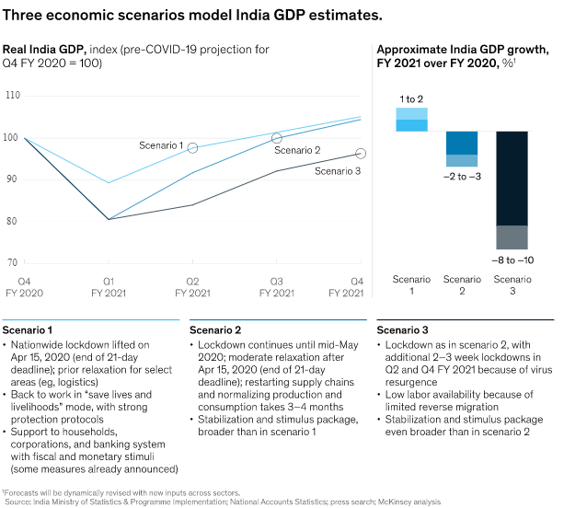
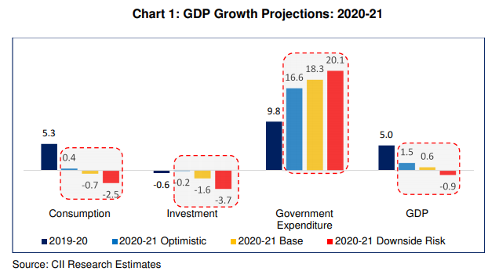
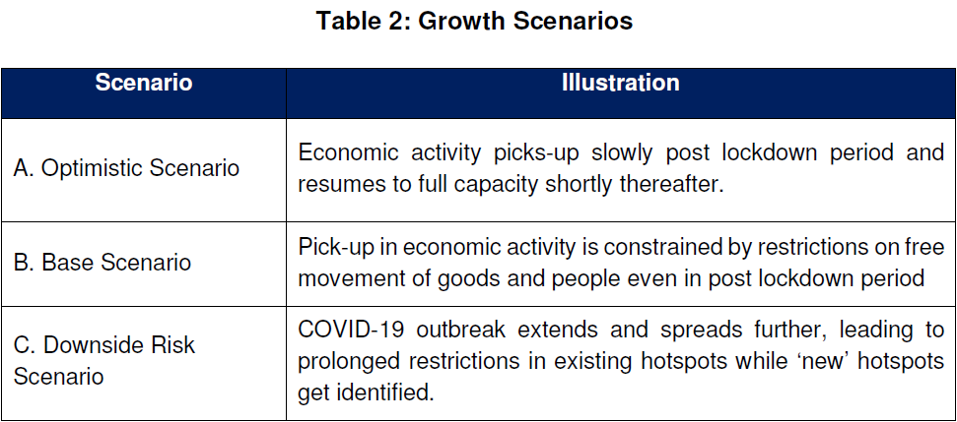
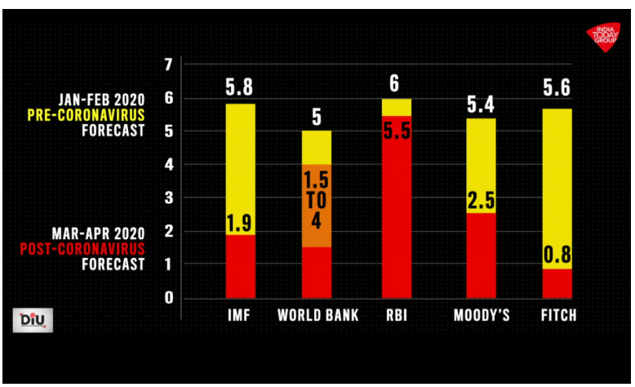
India - BAU and Alternate GDP projections for Financial Year 2020
 | IMF | World Bank | RBI | Moody's | Fitch | McKinsey (Scenario 2) | CII (Base Scenario) |  | IMF to Fitch (columns B-F)
Pre-COVID forecast (Jan-Feb 2020) | 5.8% | 5% | 6% | 5.4% | 5.6% | 6% | 6%
Post-COVID forecast (Mar-Apr 2020) | 1.9% | 2.75% | 5.5% | 2.5% | 0.8% | 3% | 0.6%
Shrinkage | 0.039 | 0.0225 | 0.005 | 0.029 | 0.048 | 2.5% | 5%
Median alternate GDP growth | 2.5% | Avg. Alt GDP | 2.5%
Median Shrinkage | 2.9% | Avg. Shrinkage | 3.2%
Median BAU GDP growth | 5.8% | Avg. BAU GDP | 5.7%
World Bank - low | 1.5%
World Bank - high | 4%

Sources:
IMF to Fitch (columns B-F) | https://www.indiatoday.in/diu/story/coronavirus-indian-economy-1670487-2020-04-24
McKinsey | https://www.mckinsey.com/in/our-insights/getting-ahead-of-coronavirus-saving-lives-and-livelihoods-in-india
CII | https://www.cii.in/PublicationDetail.aspx?enc=zuvkFMUeRQ5DOr34VHgU+q2FCqvImS8h+0nQnlG8m5zQMi0OqNmYDbmu4OQt/zyXqsZaMZqaBOz17jO5kiK8beaL12OyxmfAhunCVE65HqgjLzXO2zFcwfMySBEKEXXZInWXyHg28Cg3wC9MTvYNtg==

 | McKinsey (Scenario 2) |  |  |  |  |  |  | CII (Base Scenario)

